Forms
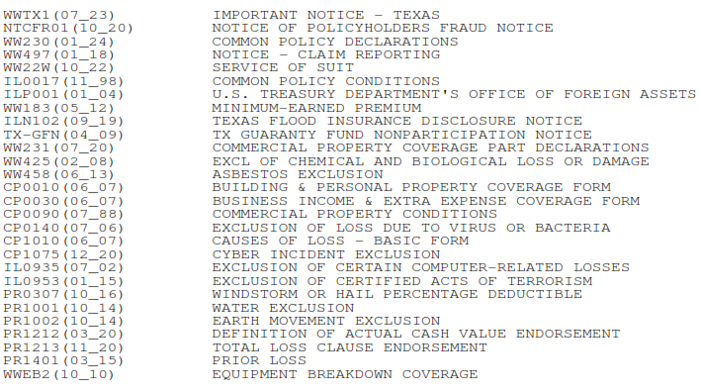
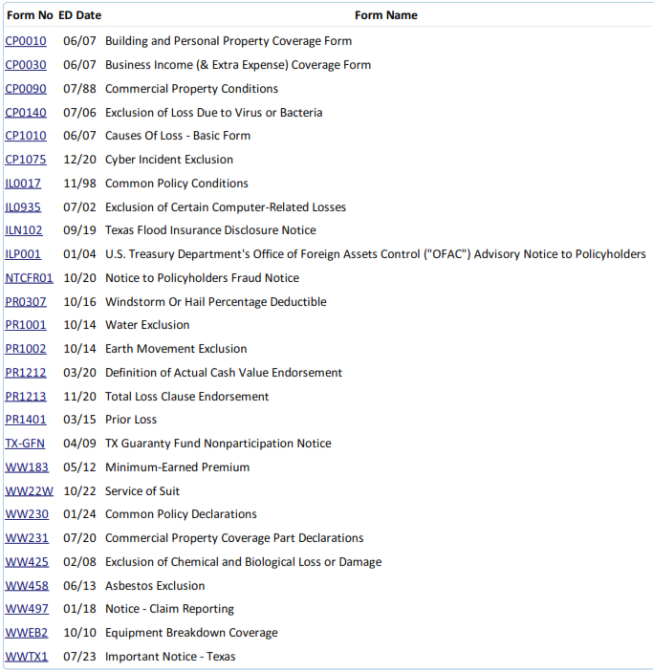
PATRA Forms Schedule Comparison

Renewal Policy Forms Schedule |  |  |  | Quote Forms Schedule

 | New Form |  | Edition Date/ Form Number |  | Not included on Renewal/Current

 |  | No Changes to Forms Schedule

